工作表1
Model | System | SN | Failure Description | EE Owner

 |  | CH6S_MGMT_JTAG
 |  | 62265112850006 | 14 : Chameleon6_AMD_MP2845D_Prog_0x69 | Owner : NV

 |  | CH6S_MGMT_FT
 |  | 63465147980055 | power _on-burn os if _needed and boot_os
 |  | 63465147980010 | power _on-burn os if _needed and boot_os
 |  |  | mgmt ft failure, alert signal
 |  | 63865158400010 | sbc_storage_ssd-write_psid_to_db-ERROR-TypeError;
 |  |  | MGMT FT debug 可以pass
 |  |  | 留著 for mgmt jtag test station verificaiton
 |  | 63865158400049 | power_on-burn os if needed and boot osERROR-OutOfBandException | Owner Day : Ray Onwer Night : Orion
 |  |  | Start PXE over IPv4..... | Onwer : Joy
 |  |  | 9/30 Ahmad遠端重燒debug bios
 |  |  | 10/1 Unable to find ONIE install block device | Owner : Jetz Eric NV
 |  |  | SOP for DDR Brian

 |  | CH6S_CSM_ICT |  | Onwer : Ben
 |  | 2614TG09793401 | 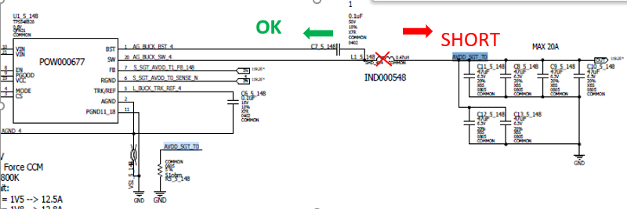 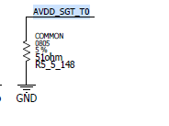 第一次 fail R-AVDD SGT-T6 SPE 换新程序 测试 ok .但是 Fail HVDD-T03
 |  |  | 14 OHM spc ( 100ohm 到 500ohm )
 |  |  | 測jtag可以pass
 |  | CH6S_CSM_JTAG
 |  | 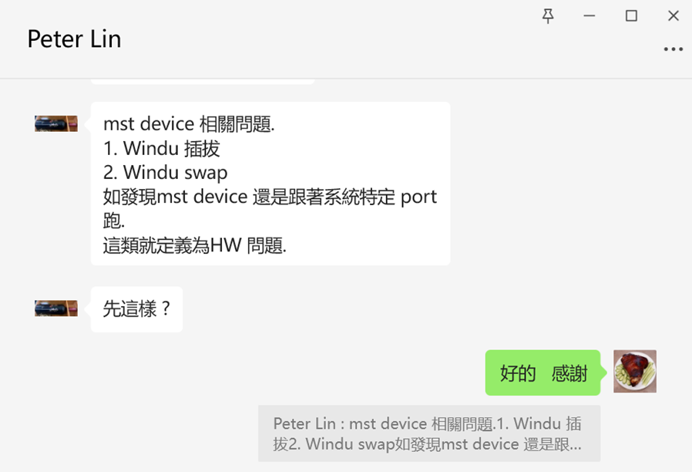 | jtag 相關fail, 產線會通知我們RD過去看 詳細紀錄每個step
 |  |  | 為了能夠區分: 操作問題/HW問題/SW問題 | 宣導: csm不可以隨便拿去外面維修, 要客人同意
 |  |  | 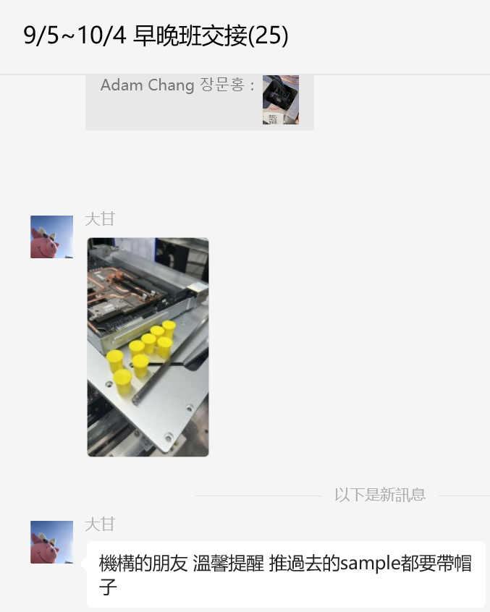 1.先不動任何東西, 對所有cable拍照上傳
 |  |  | 2.重跑debug看結果
 |  |  | 3.視情況而定 | LED cable TS2#8/TS2#30/TS2#33 PD button TS2#30/TS2#61

 |  | 宣導: | 宣導 | Owner Day : Jim Chou
 |  | csm不可以隨便拿去外面維修, 要客人同意 | 1.有fail, 測兩次進R_ | Owner : Ben
 |  |  | a.責任歸屬 b.可以查的到
 |  |  | 2.交接給下一站, 一定要找到人來推 | Owner Day : Adam
 |  |  | 人名/時間/地點/拍照/壓完成時間 貼群組
 |  |  | 3.板子測pass, 請馬上從測站上拿下來
 |  |  | 4.測站上有板子 請不要直接開測
 |  |  | 以免pass板子又再測fail

 |  |  |  | Owner Day : Billman Owner Night : JD
 |  |  | PD要求 :
 |  |  | 1.維修卡不再使用 該用流程卡 讓PD管理
 |  |  | 2.FT前後要用Jig LB插入與拔出(有2台），一律用MTCJ6652 治具車執行
 |  |  | 目前MGMT GPIO 客人說是超過70度的原因 但檢查溫度沒有看出來 目前這項軟體認為不需要在FT測試這個 他們會討論移除這個項目
 | TS2#30 | 63565151090042 | group_pb_button-group_pb_test-FAIL-MEASUREMENT;
 |  |  | 9/12 => Reset button 沒按 | Owner Day : Zoey Owner Night : Vick
 |  |  | 9/13 已手動按resset buttom，還是 fail. BIN: group_ pb_button-group_pb_test_fail | Owner Day : Owner Night : Kenny + William
 |  |  | 9/14 LED cable有問題 14:23 通知Yao & Yellow
 |  |  | 9/16 cable 換好 high_speed_eth_linkup_parse_cpo to Peter | Owner : Adam
 |  |  | 要換csm | Eric assign TE
 | TS2#34 | MGMT | 9/30 MGMT jtag fail step8 : Run Authenticator Win,etf | Owner Day : Ben Onwer Night : Kenny
 |  | 63665152170002 | Garzan沒插到位, 沒有供氣
 |  |  | 整個clean room跟F17 2F 看起來氣管都沒有氣
 |  |  | 10/1 mgmt_system_gpio-system_gpio_cplds_without_test_mode-FAIL-MEASUREMENT | Owner Day : Ben Onwer Night : Vick
 |  |  | 後來fail在同樣failure | Owner Day : Jim Chou Onwer Night : Kenny
 | TS2#41 | 63565151090046 | 9/12 fiber_ check*2 14:03 to Peter
 |  |  | high_speed_eth_linkup-parse_cpo
 |  |  | 要換csm
 | TS2#43 | 63765151110048 | Power_on_burn_os 9/10 電源線沒插
 |  |  | fiber_check-parse_cpo_data_collect
 |  |  | 殺肉:ELS to TS2#44
 | TS2#44 | 63565151090003 | power_on-burn_os_ if_need_and_ boot_os-FAIL,
 |  |  | 9/22 Windu9 Cage 卡扣變型， 需要rework工單拆Cage9
 |  |  | Pwr_Good_12V_PDB_Sense_ct.cvf
 |  |  | 使用TS2#43的els, 經排查確認是ELS board 短路, C426,C428 都有變形 | Owner Day : Billman Onwer Night :
 |  |  | 9/24 04:10 ELS Board維修组装完成，online jtag pass | Owner Day : Ben & Walter
 |  |  | els_2 false，跟著Cage走. Els2和els1~10 swap, 跟著Cage走 | Owner : Ben
 |  |  | 9/25 總共使用了三片els (TS2#44/TS2#79/TS2#7) + swap windu | Owner Day : Ben Owner Night : Kenny
 |  |  | 仍然fail els2 | Owner : Ben Owner : Vick
 |  |  | 推測是CSM需要維修或更換 =>已經feedback 給NV | Owner Day : Zoey
 |  |  | 9/29 測csm U93 相關線路 無異常 => 重測ICT
 |  |  | 9/30 12:12 csm ICT pass, => jtag, aot... | Owner Day : Billman
 |  |  | 10/1 #44 Sagitta OE25 burnt
V | TS2#66 | 63565151080004 | j_tag 130 : Chameleon6_buswire_bus.cvf Failed 1 0 1
 |  |  | 9/14 retest csm jtag stock in
 |  |  | high_speed_eth_linkup-parse_cpo
 |  |  | 9/16 csm1_ets_brd_cpld_reg__20E2__bit_asic1_fw_rst
 |  |  | NV Liran有remote fix
 |  |  | 9/17 fiber_prbs_test-cpo to OE
 |  |  | 9/20 03：10 ME 更換完busbar 後 | Owner Day : Jim + Ben
 |  |  | fiber_prbs_test-cpo_run_prbs_en-FAIL,
 |  |  | =>OE
 |  |  | 9/29 ASIC過熱 找原因 => 拆開沒問題
 |  |  | => 重新組裝 AOT(p) pass
 |  |  | 10/1 sbc_storage_usb-passmark-FAIL-MEASUREMENT BinCode: 2Fdd016b
 |  |  | usb 外接裝置壞掉, 開機以後要亮燈 | Onwer : Joy
 | BU#6-3 | 62865131330017 | under IC_VFI_CSM_AF_OPT
 |  |  | 9/16 測站目前只能測6s | Owner : Ben
 |  |  | 10/3 python3 一樣撈到missing bin 但事實上已經是 Pb button fail
 | TS3#16 | FT | power_on-validate_power_converter_dma_data fail
 |  | 63865158370042 | 發現pci_cr0 沒有抓到，ELS 16 根都不會亮燈
 |  | AOT | 9/29 2:19 換上TS2#21 PDB 可以pass AOT (P)
 |  | 63865158090034 | 9:17 請必武重新點膠/重新link
 |  |  | 15:35 AOT(p) pass.
 |  |  | 9/29 18:46 TS3#16 原本PDB ICT pass 要找一個系統裝起來測試 | TE Yun Ran
 | TS3#39 | 63865158090020 | power_on_with_fw-late_livefish_detection-FAIL,
 |  |  | 9/28 Eric 已報給客人 | OE
 |  |  |  | OE

 |  |  | 以下是歷史區

 |  | CH6M_MGMT_JTAG
 |  | 63165140400022 | NV remote debug mgmt jtag
 |  |  | 9/10 jtag pass
 |  | CH6M_MGMT_FT
 |  | 62965133700018 | BINs Description:power_on-config_static_ip-ERROR-Exception
 |  |  | SubBin:Failed to ping 192.168.11.25 after -0.5 SECONDS
 |  |  | PCB壓傷-螺絲
 |  |  | 客人同意報廢, Eric給correction plan

 |  | CH6S_MGMT_FT
 |  |  | 追蹤MGMT FT WCK#51 重裝溫度實驗
 |  |  | Owner : 堯盛
 |  | 63865158400017 | sbc_storage_ssd-write_psid_to_db-ERROR-TypeError;
 |  |  | 9/30 SSD重燒就pass
 |  | 63865158400011 | sbc_storage_ssd-write_psid_to_db-ERROR-TypeError;
 |  |  | 9/30 SSD重燒就pass
 |  | 63865158400044 | sbc_storage_ssd-write_psid_to_db-ERROR-TypeError;
 |  |  | 9/30 SSD重燒就pass
 |  | 63665152170002 | mgmt_system_gpio-system_gpio_cplds_without_test_mode-FAIL-MEASUREMENT
 |  |  | TS2#34
 |  |  | SA093509 to remove C1961
 |  | CH6S_CSM_ICT
 |  | 2612V654030303 | AVDD_SGT_T0 short
 |  |  | 9/22 重測電流實驗
 |  |  | 灌1.5V/1.5A 沒有短路了
 |  |  | 9/24 ICT pass
 |  | 2622TG20413102 | 12V 50.66 Ω spec ( 80 Ω ~2k Ω ) product OK : 85.12 Ω
 |  |  | 9/21 ohm值不像其他板會上升到900ohm. Ben灌12V 並沒有短路, 沒有看到電容發熱
 |  |  | Ben 之前applied 12V/1.5A
 |  |  | 10/1 16:37 ICT pass
 |  | CH6S_CSM_JTAG
V | TS2#11 | 63665151910004 | 129 : chameleon6_interconnect_ic.cvf CSM jtag
 |  |  | Solution : Sharon : test to pass
 |  |  | 9/8 pass
 | TS3#8 | 63865158140008 | 9/26 jtag fail step 128/129/130 => Known issue
 |  |  | re-test and pass
 | TS3#19 | 63865158140022 | 9/27 R_JTAG
 | TS3#26 | 63865158140030 | 9/27 R_JTAG
 |  |  | 129 : Chameleon6_buswire_bus.cvf Failed 1 0 1 [129 : Chameleon]
 | TS3#35 | 63865158140039 | 9/27 R_JTAG
 | TS3#49 | 63865158140048 | 9/27 R_JTAG
 |  | 已完成
 | BU#46 | 62765123960002 | Bin:power_on_with_fw-late_livefish_detechtion-FAIL-MEASUREMENT
 |  | CSM Board S/N 2619V674111103 | SubBin:csm1_swb_maglan_asic_pcie-Fast_boot_asic_HBI_HW_failure_detected for csm1 _swb_maglan_asic_pcie
 |  |  | fiber_check-parse_cpo_data_collect_result after CSM new one
 |  |  | Solution : 重測csm jtag, remove C1961
 |  |  | 9/8交接給PD
 |  |  | prog power_regulators-prog_power_regulator s asics -ERROR-MTCRError fail.
 |  |  | 9/15 複測 fiber check-parse cpo data collect results fail
 | TS1#18 | 62765125880002 | bmc_burn_if_needed-check_bmc_format_and_version_and_burn_if_wrong_chameleon_bmc-ERROR-Exception
 | EVT#18 |  | 換站測
 |  |  | 9/14 : high speed eth linkup 11:07 to Peter
 |  |  | 9/14 Kanban in
 | EVT#19 | 62765125880001 | power_on_burn_os
 |  | 62565125470001 | 9/7 CSM jtag用SA093507重跑pass之後推給PD
 |  |  | 9/9 reset button
 |  |  | 21:24 : csm_system_gpio_cplds_FAIL-MEASUREMENT
 |  |  | Windu 9/7 拆掉, 要找回來裝回
 |  |  | 9/10 4:08交給文傳
 |  |  | 13:39 high speed 通知Peter
 |  |  | 9/18 confirm boards pass confirm boards pass ERROR-ValueError
 |  |  | EVT#19 need to support PN SA090007 BOM
 |  |  | mgmt 沒有過FT production 重測
 |  |  | 15:42 mgmt FT(p) pass
 |  |  | 9/19 FT 4:32 FT(p) pass
 | EVT#58 |  | TS1 with TS2 ELS board
 |  |  | csm_monitoring_under_stress-monitoring_csm_voltage_and current-FAIL-MEASUREMENT
 |  |  | Solution :
 |  |  | NV要先驗證Windu溫度 之後才會跑debug
 |  |  | waive
 |  |  | power on burn os issue
 |  |  | 9/9 : 21:53回復over current狀態 已通知Peter
 |  |  | 9/10 : stress run stress-FAIL-MEASUREMENT
 |  |  | => OE team 自己處理
 | TS1#51 |  | Power on burn os
 |  |  | 9/20 ONIE: OS Install Mode ... => SSD沒有燒
 |  |  | 用master MGMT可開機
 |  |  | =>ASIC有問題 不用追
 | TS2#2 | 63265143660004 | laser_turing-create_mst_devices_chipset
 |  | keep as master | fail PCIe gen1x4, keep as master
 | TS2#5 | keep as master | prog_power_regulators-prog_power_regulators_asics-ERROR-MTCError
 |  |  | +
 |  |  | csm_system_gpio-system_gpio_cplds-FAIL-MEASUREMENT BinCode: 562e5f9e
 | TS2#7 | 63265142450006 | csm jtag fail
 |  |  | 9/11 power cable between els & csm wrong side
 |  |  | fiber_check-parse_cpo
 |  |  | 出貨
v | TS2#8 | 63265142450009 | Power_on_burn_os:
 |  |  | 2026-09-09
 |  |  | Solution:
 |  |  | cable between IO board & LED board damaged.
 |  |  | Causing 3v3_aux shorted
 |  |  | 更換LED cable+新io board
 |  |  | Prevention plan :
 |  |  | Yao想請客戶在螺絲孔附近加線扣
 |  |  | 已經和客戶HL 後續會更新DFM
 |  |  | Owner : OE
 |  |  | 9/10 FT test pass
 | TS2#9 |  | validate_low_speed_link_issue_csm1-FAIL-MEASUREMENT
 |  |  | 9/11 Eric：先不要拆它, 應該被鎖了
 | TS2#10 |  | 9/11 high speed 9:30 to OE
 |  |  | 9/11 20:48 Pass FT production mode
 | TS2#17 | 63765151890003 | BINs Description: prog_power_regulators-prog_power_regulators_asics-ERROR-MTCError BinCode: 7afeec25
 |  |  | 9/11 17:18 fail high speed 通知Peter
 |  |  | 9/16 FT pass
 | TS2#18 |  | Chameleon6_CPLDs_T2_infrastructure_inf.cvf Completed 1 0 1
 |  |  | 9/10 換新的mgmt tray
 |  |  | 15:30 pass
 | TS2#21 | 63665151890005 | fnm press fit connector 沒插好
 |  | 9/24 殺肉給BU#5-2 | Ts2#21 於2026/09/10 16:19 給ME張小莉 處理 qsfp翹起問題
 |  |  | 9/11 feedback to Yao, done
 |  |  | 9/14 missing Bin retest : create mst devices
 |  |  | 9/15 10:35 high speed to Peter
 |  |  | 9/16 csm monitoring under_stress-monitoring csm voltage and current-FAIL-MEASUREMENT (2,3)
 |  |  | 9/17 9:07 通知Yao, re-curing Nora
 |  |  | re-curing 20min, 冷卻30min
 |  |  | re-curing完成, 1～3皆過熱 通知Yao
 |  |  | 9/18 csm jtag debug mode pass
 |  |  | 13:30 經過分析 合理懷疑coldplate有一根水管有問題 15:30 與Yao討論, 換coldplate 等料
 |  |  | FBK受損
 |  |  | Karen 說先停 不用追
 |  |  | 9/23 換coldplate
 |  |  | 9/24 殺肉給BU#5-2, PN不同不能共用
 |  |  | 9/29 PDB殺肉給TS3#16
 | TS2#23 | 63565151090061 | 2026-09-12
 |  |  | mgmt_system_gpio-system_gpio_cplds_without_test_mode
 |  |  | 保留 客人Ama幫忙看
 |  |  | a.mgmt_system_gpio
 |  |  | b.create_mst_devices
 |  |  | 9/13 Power on create mst device時，不會檢查 link device, 到laser prerequisites or fiber check 的create mst device 就會檢查了
 |  |  | after remating -> fiber check fail, ELS3 channel loss
 |  |  | 夜班確認windu P/N: 00K6F
 |  |  | 9/15 fiber check cpo to Peter
 |  |  | 9/18 FT pass
 | TS2#24 | 63565151090055 | mgmt_cpu_monitoring_under_stress-read_ cpu_teeratures-FAIL-MEASUREMENT
 |  |  | CPU 100C
 |  |  | 9/18 13:30 FT(d) pass
 |  |  | 15:12 FT(P) pass
 | TS2#25 |  | mgmt舊版換新版
 |  |  | IC_MMC_SYS_BF_FT不用追 等流程回來就好
 |  |  | 9/11 pass FT production
 | TS2#26 | 63565151090005 | TS2#26 AOT power on burn os
 |  |  | 9/10 #26重燒CPLD ok fiber_check to Peter
 |  |  | high_speed_eth_linkup
 |  |  | 9/13 FT pass
 | TS2#27 | 63565151090062 | 9/16 FT production mode pass
 | TS2#29 | 63565151090059 | 2026-09-12
 |  |  | 10:00 mt53124 _pciconf0_vmdl_10 & 11
 |  |  | 14:46 pass create_mst_devices fail high speed
 |  |  | 15:21 pass create_mst_devices fail high speed
 |  |  | 16:20 pass create_mst_devices fail high speed
 |  |  | 9/12 16:37 high_speed_eth to Peter
 |  |  | 9/16 FT(P) pass
 | TS2#31 | 63565151090058 | Power_on_burn_os
 |  |  | 9/10 電源線沒插
 |  |  | 9/11 high_speed_eth
 |  |  | 9/13 FT pass
 | TS2#32 | 63565151090060 | fiber_check-creat_mst_devices_chipset-FAIL-MEASUREMENT
 |  |  | mt53124_pciconf0_vmdl_4_lx132Rev1_0 False
 |  |  | 重測跑去 10 11
 |  |  | 9/11 FT Production mode pass
 | TS2#32 | 63565151090060 | 9/16 fiber check fail 轉交給oe的阿偉
 |  |  | 9/16 2:35 FT pass
 | TS2#33 | 63565151090044 | pass board 17 virtual devices, ELS沒亮燈
 |  |  | fail only 1 virtual devices
 |  |  | CSM/ELS cable重插拔
 |  |  | 9/10: 15:45 Production pass
 | TS2#33 | 63565151090044 | power_on_burn_os
 |  |  | 9/14 LED cable有問題 14:23 通知Yao & Yellow
 |  |  | 9/16 cable 換好 high_speed_eth_linkup_parse_cpo to OE Olaf 做清檢
 |  |  | 9/17 FT pass
 | TS2#34 | 3*SN | Timing board issue
 |  | 63465148070012 | 9/9 : thermal glue 太多 溢到金手指
 |  |  | 9/10反饋給Yao
 |  |  | 9/11 Yao 說點膠偏一邊是正常
 |  |  | 應該是OP插入connector手法關係
 | TS2#34 | 6*SN | BINs Description: prog_power_regulators-prog_power_regulators_asics-ERROR-MTCError BinCode: 7afeec25
 |  | 63565151090064 | 9/11 TS2 MPS是0x70 但是test program卻要偵測0x6d
 |  |  | 16:52 debug pass before high speed通知Peter
 |  |  | 9/11 16:52 debug pass before high speed通知Peter
 |  |  | 9/12 FT pass
 | TS2 Auto#38 | 63465148070022 | CPU issue fail 129/130/131 (test to pass)
 |  |  | fail step 136 U70
 |  |  | U70要兩天
 |  |  | 9/10 : 14:35 R1442 開路 交給PE
 |  |  | 16:00 AOI照片沒問題 懷疑後面damage
 |  |  | 9/11 : 2:58交給PD文傳
 |  |  | MMC_SYS_BF_FT-1
 | TS2#42 | 63565151090049 | Power_on_burn_os
 |  |  | 9/10 電源線沒插
 |  |  | mgmt_system_gpio-
 |  |  | 9/15 10:30 pass FT(P)
 | TS2#47 | 63565151090051 | BINS
 |  |  | Description: bmc_burn_if_needed-check_bmc_format_and_version_and_burn_if_wrong_chameleon_bmc-ERROR-Exception
 |  |  | 重測結果 變成 cpo data collection failed
 |  |  | mgmt_system_gpio-
 |  |  | 9/13 FT pas
 | TS2#49 | 63565151090002 | Verify fuse
 |  |  | 9/14 15:20 fiber check-parse cpo to Peter
 |  |  | 21:49 mgmt_system_gpio
 |  |  | 9/15 10:00 flber check parse cpo data to Peter
 |  |  | 9/16 FT(P) pass
 | TS2#51 | 63565151090043 | 9/11 fnm module沒插
 |  |  | =>high_speed_eth_linkup (OE)
 |  |  | 9/17 FT(P) pass
 | TS2#54 | 63765155580006 | 2026-09-13
 |  |  | Windu 批次00k0h 有問題
 |  |  | 等NV處理
 |  |  | 9/19 FT pass
 | TS2#55 | 63565151080010 | csm_system_gpio-system_gpio_cplds-FAIL
 |  |  | ELS6 issue
 |  |  | 9/15 03:36 测试PASS，Re文清解R_
 |  |  | FT pass
V | TS2#60 | 63765155580014 | 9/12 Timing board thermal glue issue
 |  |  | 142 : TIME_U8_SiTime 通知Yao
 |  |  | 13:23 csm jtag debug mode pass
 |  |  | 9/13 power_on-validate_low_speed_link_issue_csm1-FAIL-MEASUREMENT;
 |  |  | 9/19 fiber_check-create mst
 |  |  | devices chipset els_5 False
 |  |  | 9/20 Windu(ELS_6)有問題，已確定需換新的Windu
 |  |  | 9/21 FT pass
 | TS2#61 |  | 2026-09-21
 |  |  | group pb button-group_pb_test-FAIL -MEASUREM
 |  |  | ENT
 |  |  | LED “cable”被FBK 壓住. 9/22 7:30 通知Yao/Yellow
 |  |  | LED board connector損壞 16:00 修好 裝回
 |  |  | create_mst_devices 按压ELS11后复测
 |  |  | 9/22 ft(p) pass, HS COLD PASS to PD
 | TS2#65 | 63565151080007 | Description: sbe_storage ssd-write psid to db-
 |  |  | ERROR-TypeError => 換站
 |  |  | query fnm_ linkup-Linkup pollin g fnm-FAIL-MEASUREMENT
 |  |  | 9/19 : Transfer to OE Louis 氣槍吹FNM board
 |  |  | 9/20 : stress-run_stress-FAIL-MEASUREMENT , 分析log 為els2 insertion loss
 |  |  | 太大，OE team 繼續檢測與分析
 |  |  | 9/21 FT pass
 | TS2#69 |  | OE 退回來後，很奇怪，重測都不同問題，然後現在卡power on burn os : Failed to start ntpsec.service
 |  |  | 9/17 fiber_prbs_test-cpo to OE
 |  |  | 已不在tracking list
 | TS2#71 | 63565151080008 | Power_on_bur_os
 |  | 63465148070085 | busbar拆開, csm 本身12V短路
 |  |  | 9/14 15:20 拆到FBK East就不短路
 |  |  | 9/15 10:30 把csm拆下來 發現有鐵屑
 |  |  | 移除後裝回沒有short. 通知Yellow要重新點膠
 |  |  | 電容damaged by FBK East, 客人通知繼續
 |  |  | 現站別在B31M
 |  |  | 9/16 14:41 csm jtag debug pass 轉給PD
 |  |  | 9/24 3:47 FT(p) pass
 | TS2#76 | 63665151890011 | high_speed_eth_linkup-parse_cpo_data_collect_results-FAIL-MEASUREMENT
 |  |  | Kanban in
 | TS2#77 | 63665151890012 | power on burn os
 |  |  | AOT test pass
 |  |  | BMC no console. 12V沒短路. LED沒短路
 |  |  | 9/16 9:20 TS2#77 拆MGMT發現MGMT到PBD的cable沒有扣到底
 |  |  | 10:30 FT(d) pass
 |  |  | 13:26 FT(P) pass
 | TS2#79 | 63565151090012 | create mst devices
 |  |  | 晚班missing bin
 |  |  | 9/16 create mst devices OE Louis處理中
 |  |  | 9/18 create mst devices fail with els1 port
 |  |  | 9/19 els1 port
 |  |  | 1.OE team氣槍吹ELS board connector
 |  |  | 2.windu金手指使用酒精擦
 |  |  | => pass create mst devices
 |  |  | 重測又fail, 拆板
 |  |  | windu1拔出來的時候有金線, J1_1 對比其他connector有損壞
 |  |  | 9/21 已拆, J1_1沒有料, 要等兩天
 |  |  | 9/22 光纖受損
 |  |  | 16:00 安裝新els, 跑jtag 16:12 pass
 |  |  | OE排查， fiber線裝反， 排查中
 |  |  | els input power 只有-327.68
 |  |  | est_opt_channel_loss = -1 (正常是6~11之間)
 |  |  | 9/23 9:30 發現有光纖插反+斷掉需更換
 |  |  | 9/24 04:36 FT(p) pass
 | TS2#83 | 63665151890008 | power_on-burn_os
 |  |  | 9/18 上電, BMC沒有log, 開蓋
 |  |  | pdb mgmt cable沒有插到底, 一拉就起來
 |  |  | 9/19 跑FT(p) pass
 | TS2#83 |  | 9/22 客人要求重跑 FT(p) PASS
 | TS2#89 |  | power_on-burn_os_if_needed_and_boot_os-ERROR-OutOfBandException
 |  |  | BinCode: c1444446
 |  |  | bmc_burn_if_needed-check_bmc_format_and_version_and_burn_if_wrong_chameleon_bmc-ERROR
 |  |  | 9/16 fiber_ckeck......- FAIL , Return to OE team
 |  |  | 9/22 客人要求重跑 FT(p) PASS
 | TS3#10 |  | csm_monitoring_under_stress-monitoring_csm_voltage_and_current-FAIL-MEASUREMENT
 |  |  | Received:'x'is within 100% of 21.5, Received: 44
 |  |  | 10/3 FT Production PASS
 | TS3#14 | 63865158370052 | mgmt_cpu_monitoring_under_stress-read_cpu_temperatures-FAIL-MEASUREMENT
 |  |  | 10/1 MGMT FT CPU 100C 拆上蓋, 離型紙沒撕
 |  |  | 10/3 FT(p) Pass
 | TS3#28 | 63865158370012 | FT : sbc_storage_usb-passmark-FAIL-MEASUREMENT BinCode: 2Fdd016b
 |  |  | No USB loopback plugs found
 |  |  | io board有鐵屑
 |  |  | 9/30 白班接力
 |  |  | 檢查usb connector/換master io board…
 |  |  | 換io board以後可以pass
 |  |  | 維修io board 日夜班交替 晚班沒有人
 |  |  | 提醒JM/Yao
 |  |  | 10/1 維修io board 完成 裝回
 |  |  | 10/1 FT(p) pass
 | TS3#29 | 63865158370022 | query_fnm_linkup-linkup_polling_fnm_FAIL-MEASUREMENT
 |  |  | 9/30 藍色cable CSM qsfp connector沒有扣到底
 |  |  | 10/1 FT(P) pass
 |  |  | 9:30 發給JM提醒扣好
 | TS3#57 | 63865158370038 | CSM JTAG fail：CSM fail
 |  | 63865158140057 | CSM_U70_MX25U51294_ID_0x3A_ct.cvf⁠ Failed
 |  |  | CSM_U52_SN74AXCH4T245_ASIC_to_ELS_Buffer_ct.cvf⁠
 |  |  | CSM_U93_SN74AXCH4T245_ASIC_to_ELS_Buffer_ct.cvf
 |  |  | 9/30 => 重測pass
 |  |  | 10/3 FT(p) pass

 | TS2#7 |  | csm_system_gpio-system_gpio_cplds-ERROR-ValueError
 |  |  | 換站就pass
X | TS2#16 |  | AOT pass
 | BU#63 | 62265114310007 | fiber_check-parse_cpo_data_collect_results-FAIL : Onwer : OE
 | EVT#18 | 62765125880002 | power_on-update_pcie_dev-ERROR-ValueError;
 |  |  | PCIe issues not found
 |  |  | BIN: prog_power_regulators-prog_power_regulators_asics-ERROR-MTCRError
 |  |  | SubBin:'write_i2c_block' function failed:device=/dev/mst/192.168.10.20:23108,@dev@mst@dev-i2c-15.iec_addr=0x6d.addr_width=1.reg_addr=0x0,size=2
 | EVT#54 | 62765130310034 | power_on-late_livefish_detection fail
 |  |  | fiber check-parse_cpo_data_collect_result
 | EVT#56 | 62465120900006 | power_on-update_pcie_dev
 |  | (CSM_JTAG SN：62465120960008) | fiber_check-parse_cpo_data_collect_results-FAIL-MEASUREMENT

